1. Title Page
Instacart Basket Analysis

Project Name: Instacart Basket Analysis
Date: 02 Mar 2023
Analyst Name: Lam Tu Uyen

Contents:
Population Flow
Consistency checks
Wrangling steps
Column derivations
Visualizations
Recommendations

Dataframes and citation:
Instacart Data Sets:
● Customers Data Set
● Data Dictionary
Citation: “The Instacart Online Grocery Shopping Dataset
2017”, Accessed from https://www.instacart.com/datasets/grocery-shopping-2017 on 02 Mar 2023.

2. Population Flow
Title page

Population flow

Exclusion flag
Condition: max_order < 5
Observations to be removed: Customers PII information (Columns 'first name', 'last name')
Final total count of order_products_all: 29,270,938 rows and 43 columns.

Orders_products_combined
Orders_products_merged
Orders_products_all

Total: 32,404,859
Total: 32,434,489
Total: 29,270,938

1.) The grey boxes in the first row of the population flow represent the original data sets as they were when you downloaded them. In the Total fields you need to add the count of the rows when you imported the data set into Jupyter.
2.) The second row of boxes (coloured) represents the data sets after you manipulated them, e.g., removed missing values and duplicates. In the Total fields you need to add the count of the rows after conducting these operations. This offers a visual oveview of how the data flows throughout the data consistency checks.
3.) The third row, where also the arrows are coloured, represents the merges you performed between the datasets. In the Total fields you need to add the count of the rows in the merged datasets, so that you end up with the final dataset (in the red box). Keep in mind the final dataset should be without exclusions (based on the exclusion flag).

3. Consistency checks
 |  |  |  |  |  | Title page
Consistency checks

Dataset | Missing values | Missing values treatment | Abnormal values | Abnormal values treatment | Duplicates
orders.csv | 206,209 missing values in 'days_since_prior_order' | New column 'is_new_customer' was created with boolean values of 1 and 0 to indicate whether the customer is new or not by determining if the order is the first order for the user. | No abnormality found | No abnormality found | No duplicate found
products.csv | 16 missing values in 'product_name' | A subset of df_prods without the missing values was created. | No abnormality found | No abnormality found | 5 full duplicates found and removed.
orders_products_merged_3.pkl | 5 missing values in 'days_since_prior_order' | The missing values were mentioned in orders.csv; no further measure was taken. | Abnormally high values in 'prices': 99,999 and 14,900. Pricetag 99,999 belongs to the product ID 33664, named '2 % Reduced Fat Milk'. Pricetag 14,900 belongs to the product ID 21553, the 'Lowfat 2% Milkfat Cottage Cheese'. | Values 14,900 were replaced with the mean value of products that contain 'Cottage Cheese', '2' and 'Milkfat' in the name. Values 99,999 were replaced with 9.99. | No duplicate found
customers.csv | 11,259 missing values in 'first_name' | A subset of df_customers without the missing values was created. | No abnormality found | No abnormality found | No duplicate found

4. Wrangling steps
 |  |  |  |  | Title page
Wrangling steps

Dataframe | Columns dropped | Columns renamed | Columns' type changed | Comment/Reason
orders.csv | 'eval_set' | 'order_dow' to 'orders_day_of_week' | 'order_id' to string
 |  |  | 'user_id' to string
departments.csv |  |  | transposed to create department dictionary
products.csv |  |  | 'product_id' to string
 |  |  | 'aisle_id' to string
 |  |  | 'department_id' to string
order_products__prior.csv |  |  | 'order_id' to string
 |  |  | 'product_id' to string
orders_products_merged_3.pkl |  | 'is_new_customer' to 'first_purchase'
customer.csv |  | 'First Name' to 'first_name' | 'user_id' to string
 |  | 'Surnam' to 'last_name'
 |  | 'Gender' to 'gender'
 |  | 'STATE' to 'state'
 |  | 'Age' to 'age'
 |  | 'n_dependants' to 'number_of_dependants'
 |  | 'fam_status' to 'family_status'
orders_products_merged_4.pkl | 'first_name' |  |  | Columns dropped in compliance with data privacy regulations.
 | 'last_name'
 | '_merge'
orders_products_customer_profiles_high_activity.pkl | 'department' |  |  | Column was added for data analysis and later removed.

5. Column derivations
 |  |  |  | Title page

Column derivations and aggregations

In this tab you should add tables below that the frequences of flags/label variables that you produced after deriving them. NB: don't do this for continuous variables, only for flags.
Dataset | New column | Column/s it was derived from | Conditions
orders_products_merged_2.pkl | 'price_range' | 'prices' | > 15: 'High-range product' > 5 & <= 15 : 'Mid-range product' <= 5 : 'Low-range product'
 | 'busiest_day' | 'orders_day_of_week' | = 0: 'Busiest day' = 4: 'Least busy' else: 'Regularly busy'
 | 'busiest_days' | 'orders_day_of_week' | = 0 or = 1: 'Busiest days' = 3 or = 4: 'Slowest days' else: 'Regular days'
 | 'busiest_period_of_day' | 'order_hour_of_day' | in [10, 11, 14, 15, 13, 12, 16, 9]: 'Most orders' in [23, 6, 0, 1, 5, 2, 4, 3]: 'Fewest orders' else: 'Average orders'
orders_products_merged_3.pkl | 'max_order' | 'order_number' | Maximum of 'order_number' per unique 'user_id'
 | ''loyalty_flag' | 'max_order' | > 40 : 'Loyal customer' <= 40 & >10 : 'Regular customer' <= 10 : 'New customer'
 | 'avg_price' | 'prices' | Average of 'prices' per unique 'user_id'
 | 'spending_flag' | 'avg_price' | < 10: 'Low spender' >= 10: 'High spender'
 | 'order_freq' | 'days_since_prior_order' | Median of 'days_since_prior_order' per unique 'user_id'
 | 'order_freq_flag' | 'order_freq' | > 20: 'Non-frequent customer' > 10 & <= 20: 'Regular customer' <= 10: 'Frequent customer'
orders_products_merged_4.pkl | 'region' | 'state' | 'Northeast': ['Maine', 'New Hampshire', 'Vermont', 'Massachusetts', 'Rhode Island', 'Connecticut', 'New York', 'Pennsylvania', 'New Jersey'], 'Midwest': ['Wisconsin', 'Michigan', 'Illinois', 'Indiana', 'Ohio', 'North Dakota', 'South Dakota', 'Nebraska', 'Kansas', 'Minnesota', 'Iowa', 'Missouri'], 'South': ['Delaware', 'Maryland', 'District of Columbia', 'Virginia', 'West Virginia', 'North Carolina', 'South Carolina', 'Georgia', 'Florida', 'Kentucky', 'Tennessee', 'Mississippi', 'Alabama', 'Oklahoma', 'Texas', 'Arkansas', 'Louisiana'], 'West': ['Idaho', 'Montana', 'Wyoming', 'Nevada', 'Utah', 'Colorado', 'Arizona', 'New Mexico', 'Alaska', 'Washington', 'Oregon', 'California', 'Hawaii']
 | 'low_activity_flag' | 'max_order' | < 5: 'Low activity' >= 5: 'High activity'
 | 'age_bracket' | 'age' | >= 18 & <= 29: 'Young adult' >= 30 & <= 49: 'Middle-aged adult' >= 50: 'Senior'
 | 'income_bracket' | 'income' | < 30000: 'Low income' >= 30000 & <50000: 'Lower-middle income' >= 50000 & < 100000: 'Upper-middle income' >= 100000 & < 150000: 'High income' >= 150000: 'Very high income'
 | 'family_type' | 'family_status' & 'number_of_dependants' | 'family_status' = 'divorced/widowed' & 'number_of_dependants' = 0: 'Divorced/widowed with no children' 'family_status' = 'living with parents and siblings' & 'number_of_dependants' > 1: 'Living with family' 'family_status' = 'married' & 'number_of_dependants' = 1: 'Married with no children' 'family_status' = 'married' & 'number_of_dependants' >= 1: Married with children' 'family_status' = 'single' & 'number_of_dependants' = 0: 'Single with no children'
orders_products_secured_high_activity.pkl | 'health_conscious_shopper' | 'department' | = 'produce': 'Yes' else: 'No'
 | 'alcohol_drinker' | 'department' | = 'alcohol': 'Yes' else: 'No'
 | 'pet_owner' | 'department' | = 'pets': 'Yes' else: 'No'
 | 'meat_eater' | 'department' | = 'meat seafood': 'Yes' else: 'No'
 | 'family_oriented_shopper' | 'department' | = 'household' & = 'babies': 'Yes' else: 'No'
 | 'convenience_shopper' | 'department' | = 'frozen' & = 'canned goods' & = 'snacks' : 'Yes' else: 'No'
 | 'bulk_buyer' | 'department' | = 'bulk': 'Yes' else: 'No'

6. Visualizations
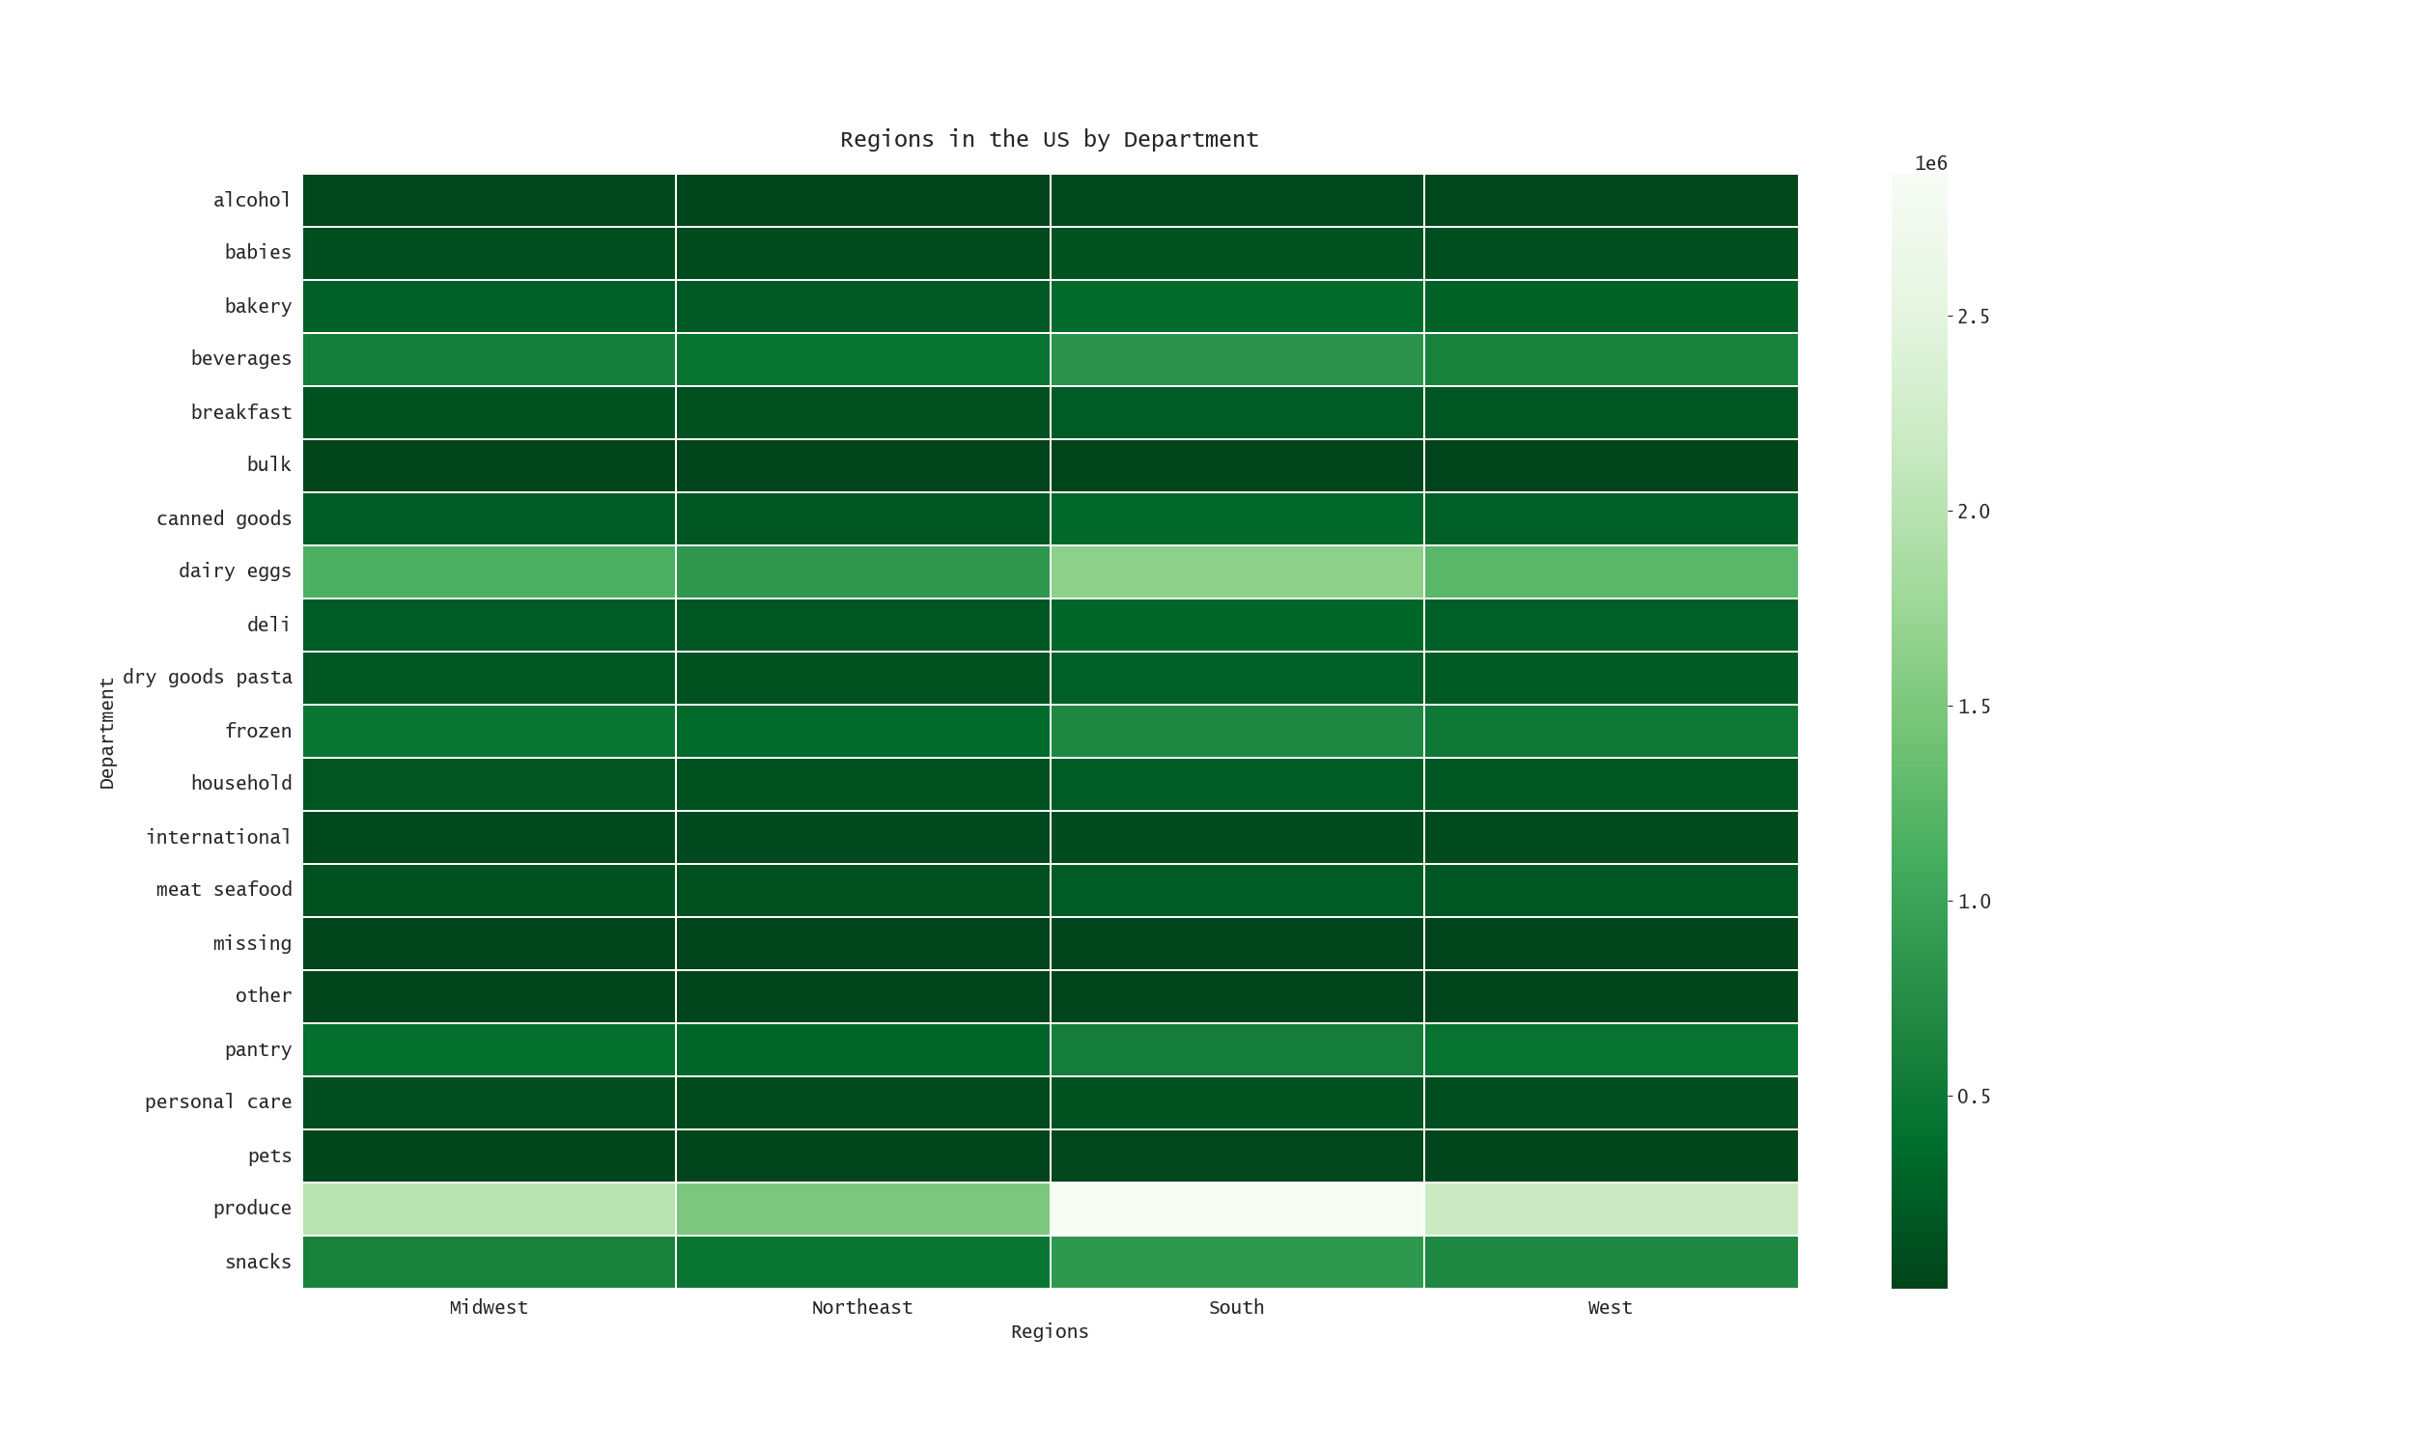
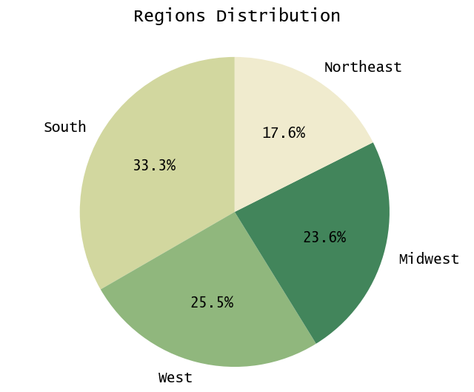
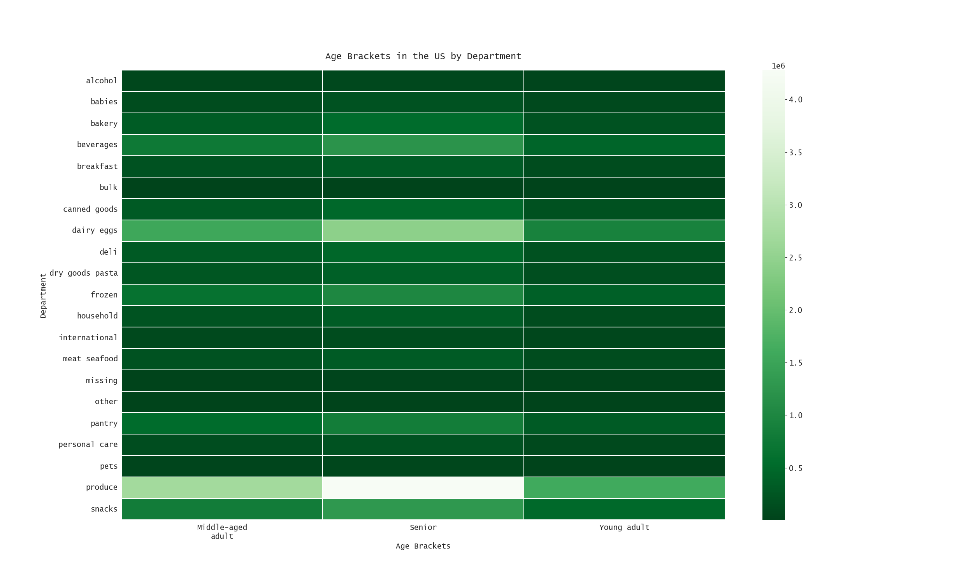
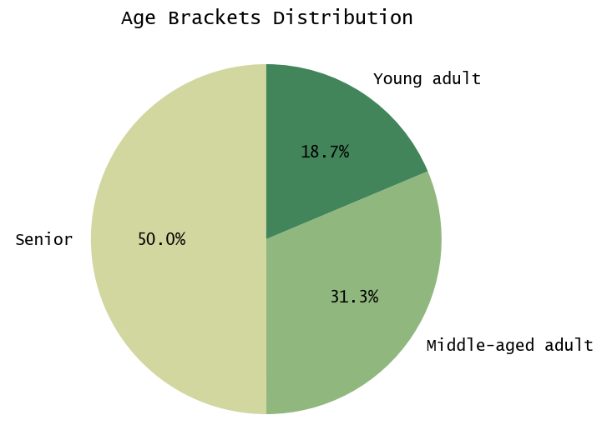
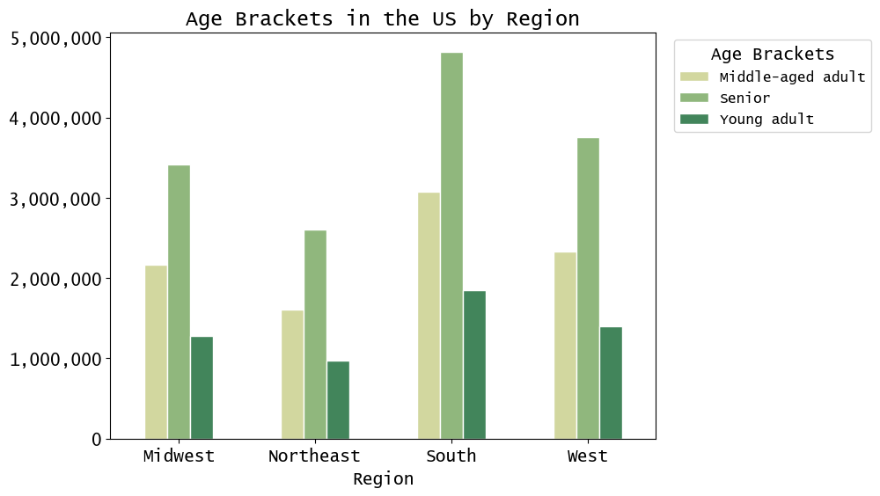
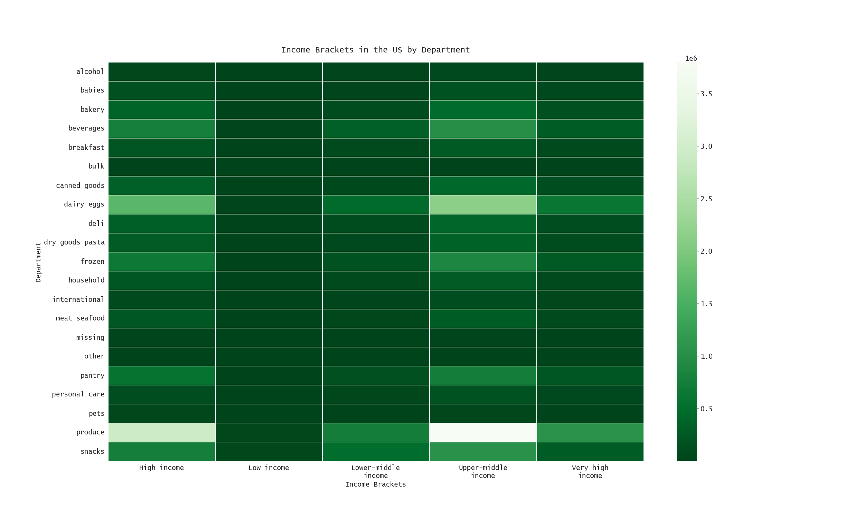
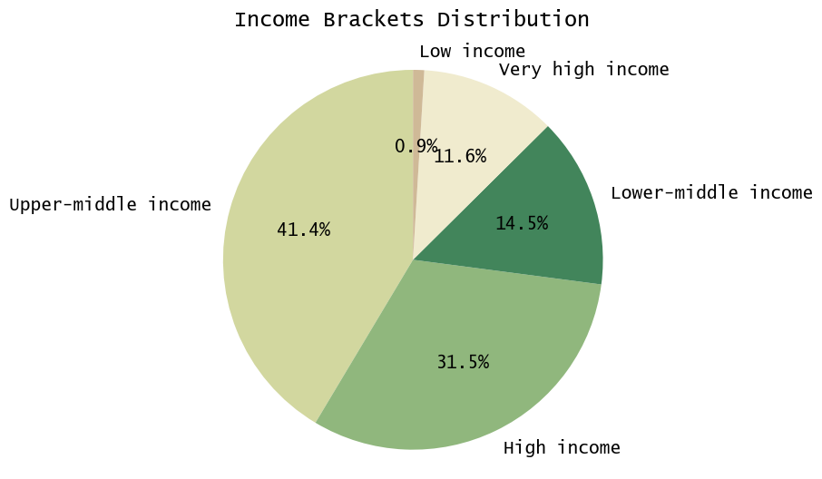
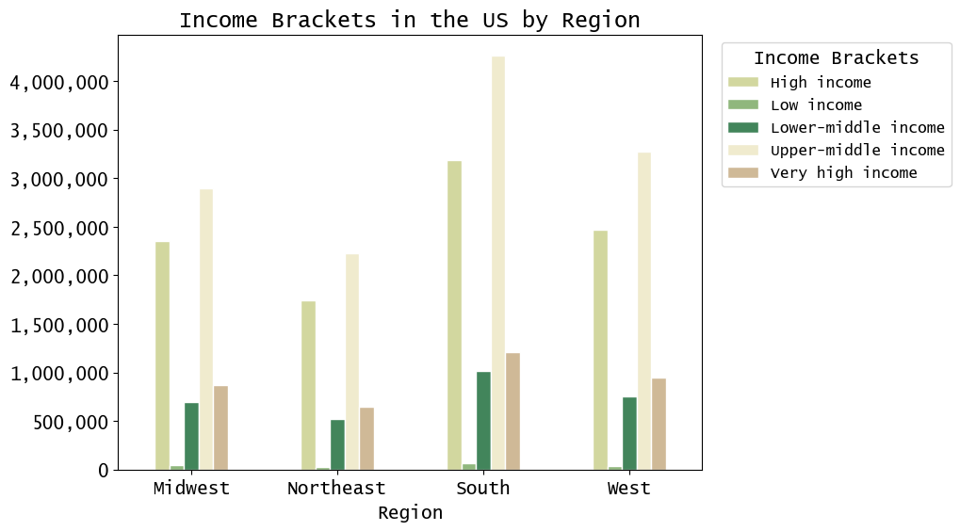
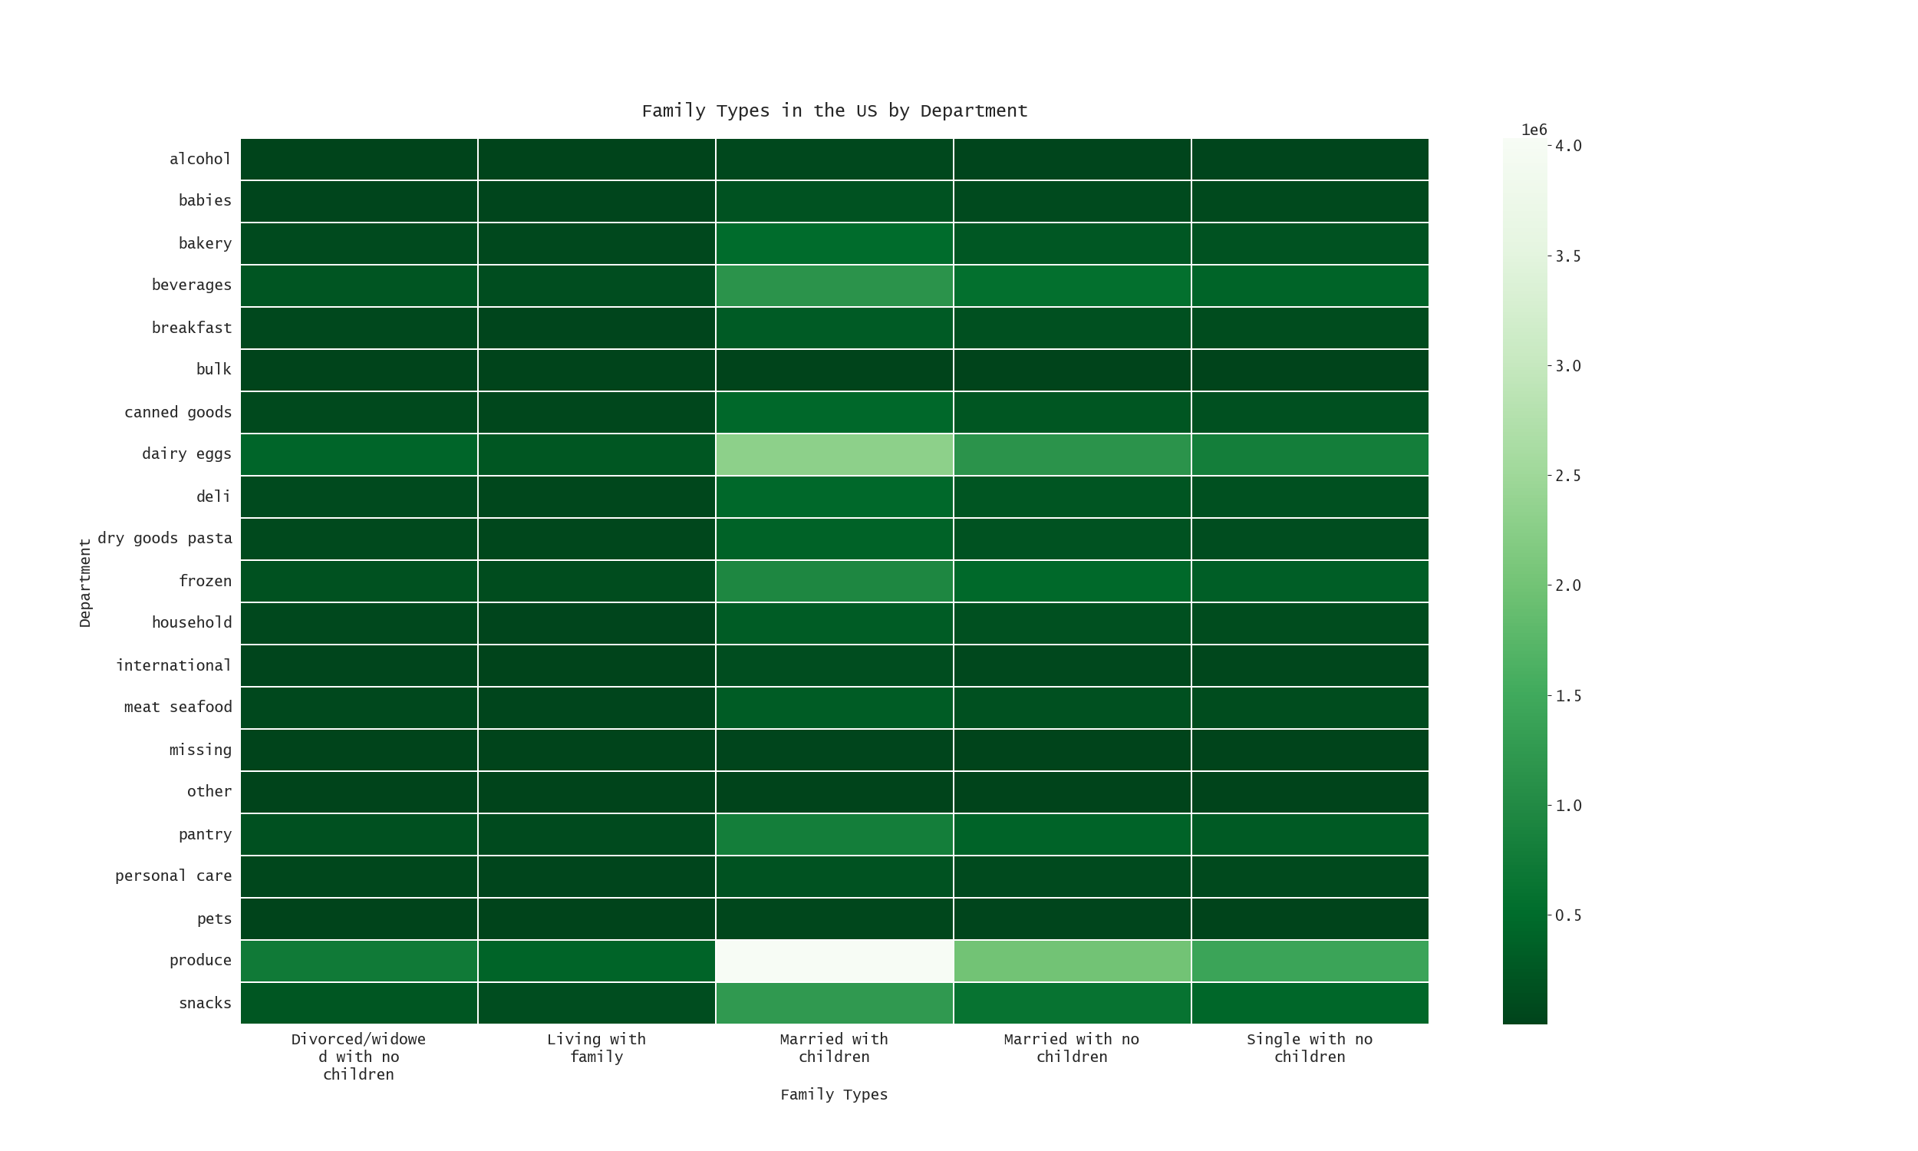
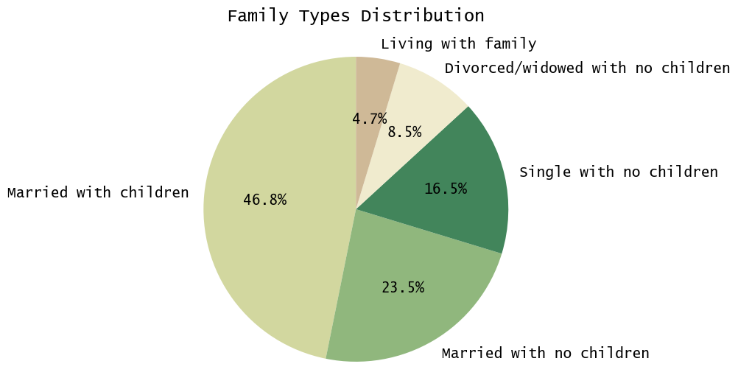
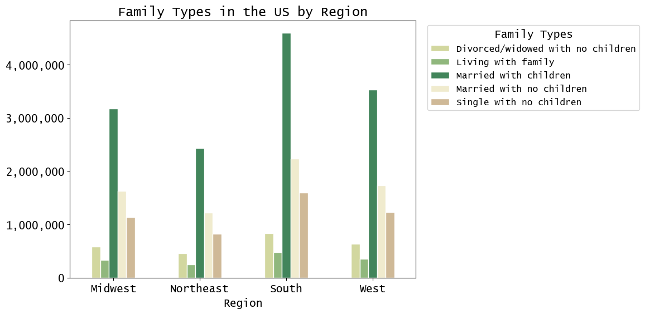
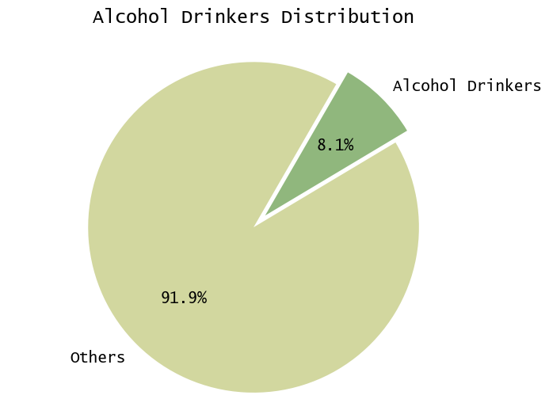
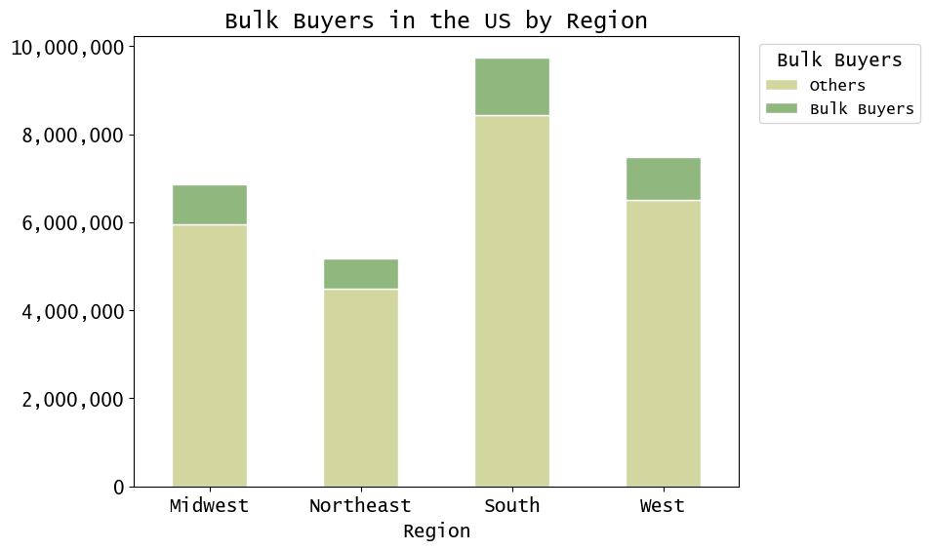
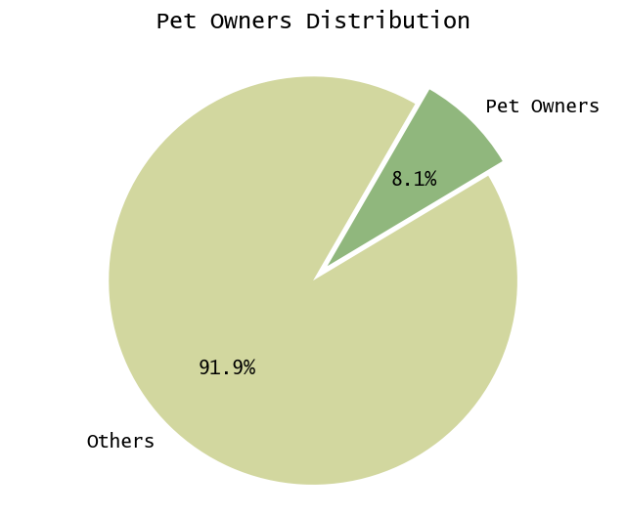
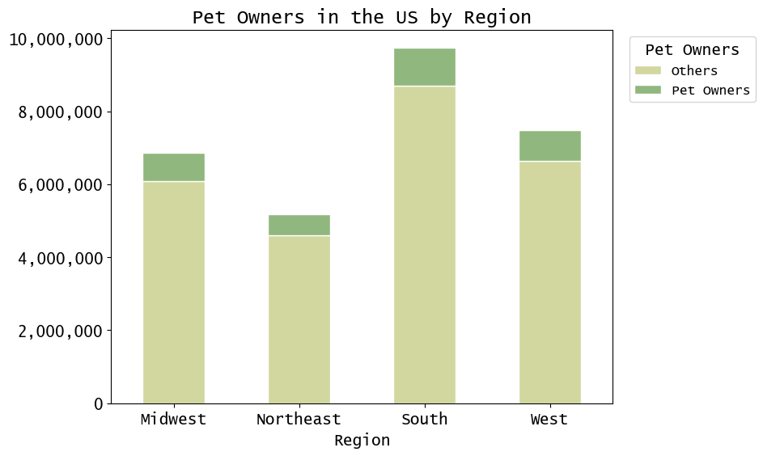
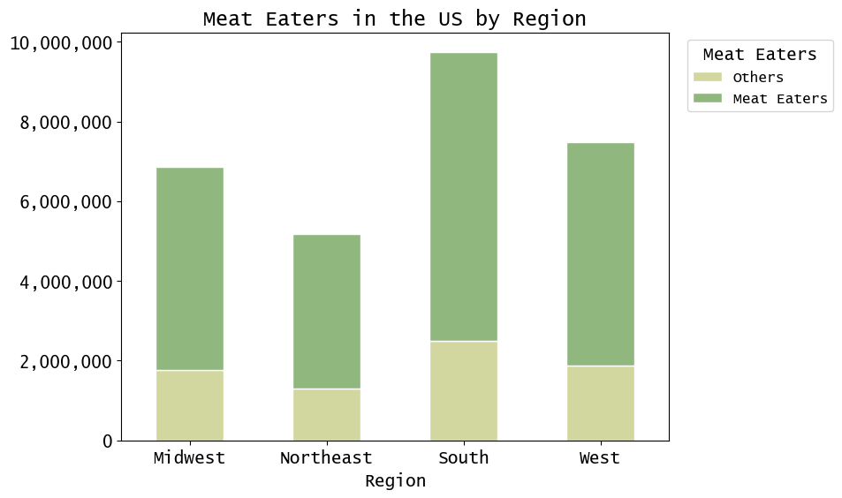
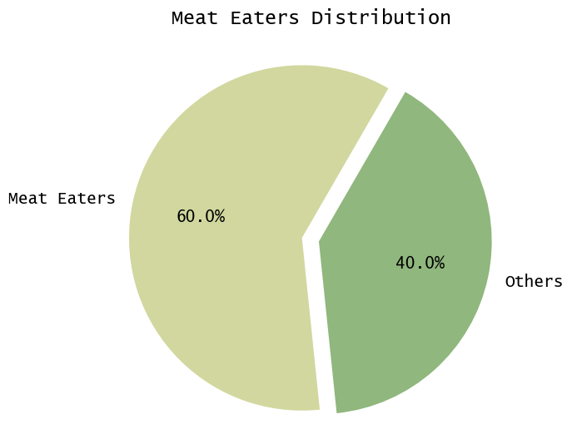
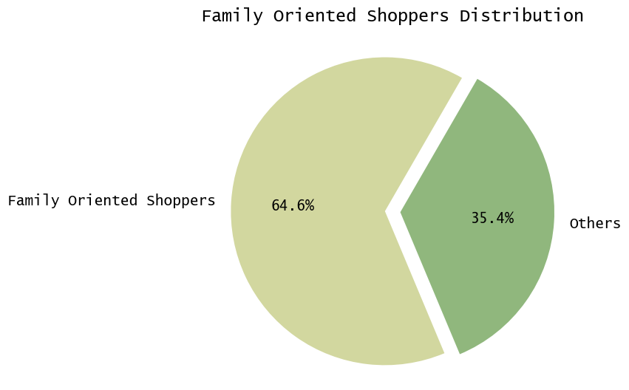
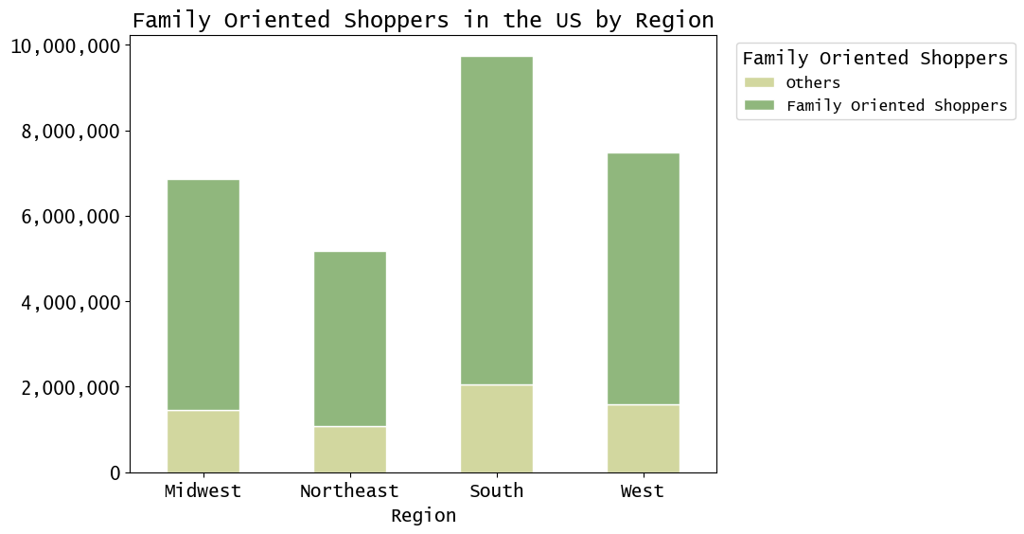
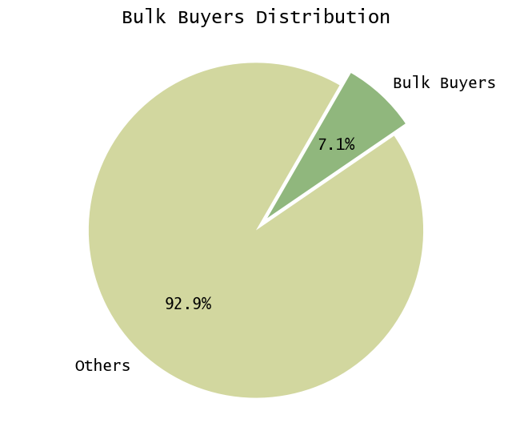
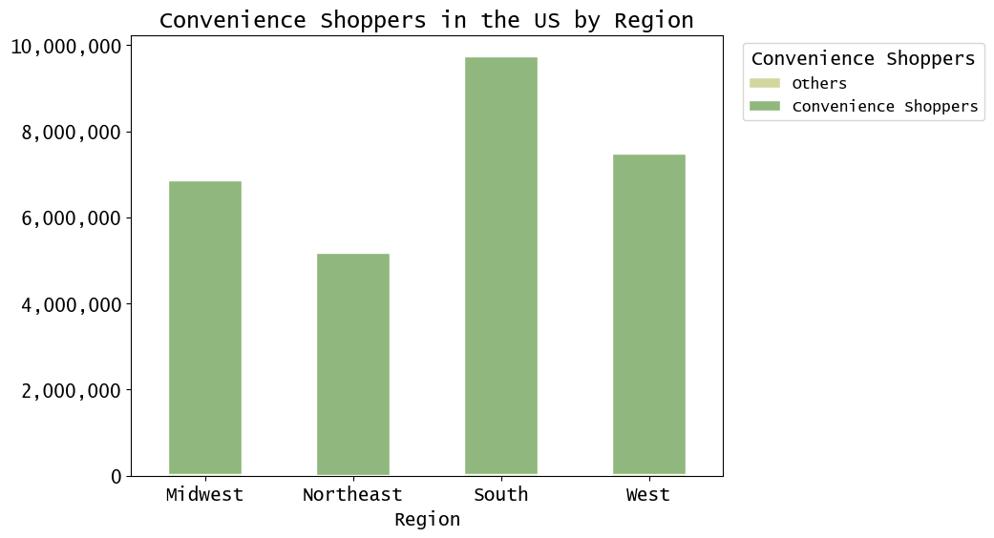
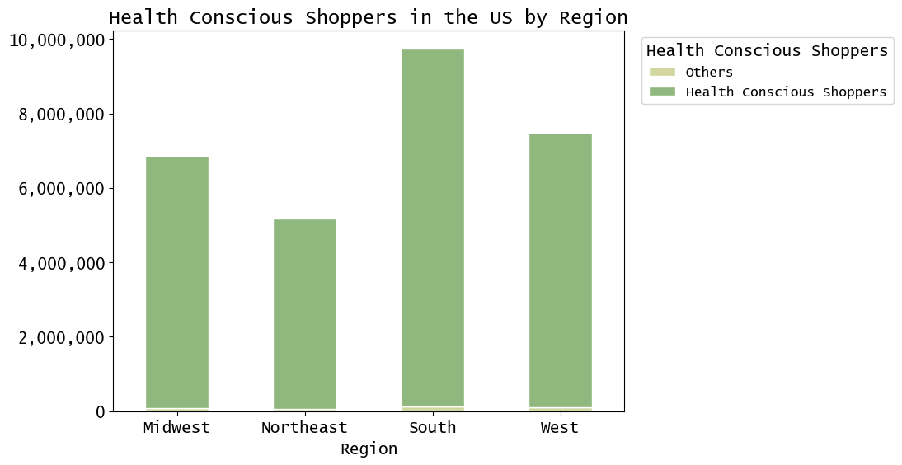
 |  | Title page

Visualisations

In this tab you should include all the visualtions from Exercises 4.9 and 4.10, alongside the questions from the project brief that they answer. Include any commentary on the relationship between different variables.

Question 1: | The sales team needs to know what the busiest days of the week and hours of the day are (i.e., the days and times with the most orders) in order to schedule ads at times when there are fewer orders.

Answer: | The busiest days of the week are Saturday, Sunday, and Friday, in that order. Regarding the hourly sales pattern, the histogram reveals that sales start to increase from 7am and peak at 10am before declining from 5pm onwards. Consequently, the busiest hours of the day are between 9am and 4pm.

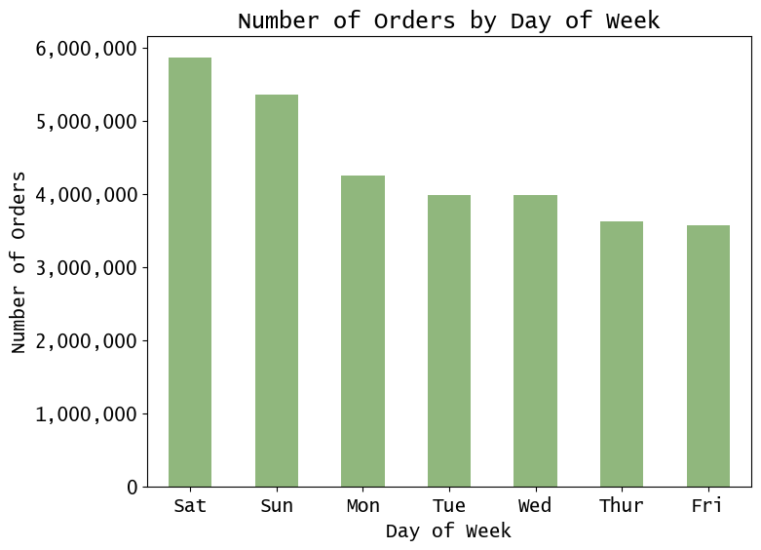
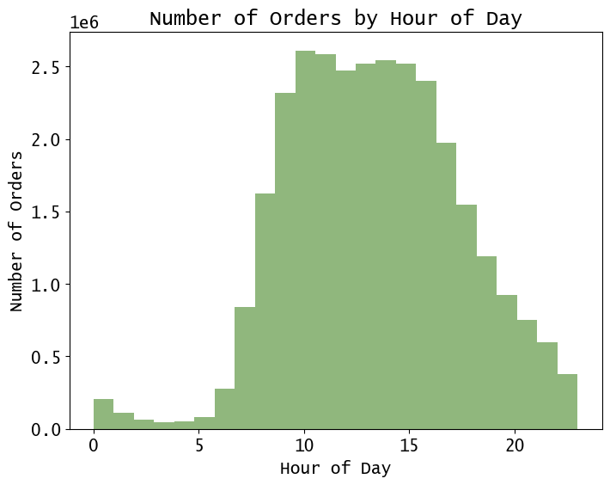

Question 2: | They also want to know whether there are particular times of the day when people spend the most money, as this might inform the type of products they advertise at these times.

Answer: | Customers usually spend the most money during the late night - early morning hours from midnight.

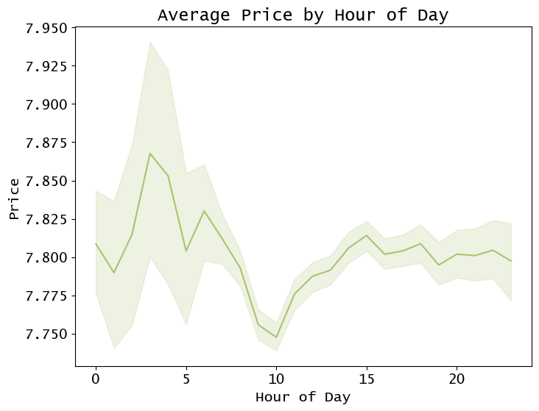

Question 3: | Instacart has a lot of products with different price tags. Marketing and sales want to use simpler price range groupings to help direct their efforts.

Answer: | 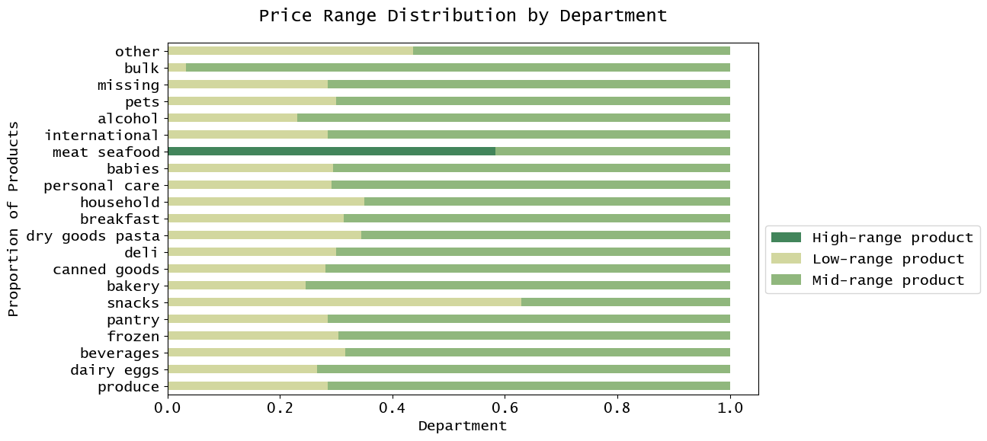 We categorized products into three price ranges: low, mid, and high. Low-range products cost $5 or less, mid-range products cost between $5 and $15, and high-range products cost more than $15. Most products (67.4%) fall into the mid-range category, with the bulk department having the most. Low-range products are the second most common (over 30%), with the snack department having the most. High-range products account for a small fraction (1.3%), mostly found in meat and seafood, and fewer in dairy, eggs, and pantry.

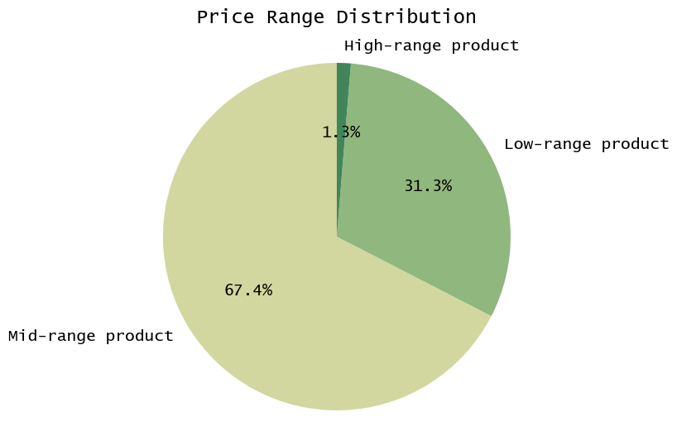

Question 4: | Are there certain types of products that are more popular than others? The marketing and sales teams want to know which departments have the highest frequency of product orders.

Answer: | 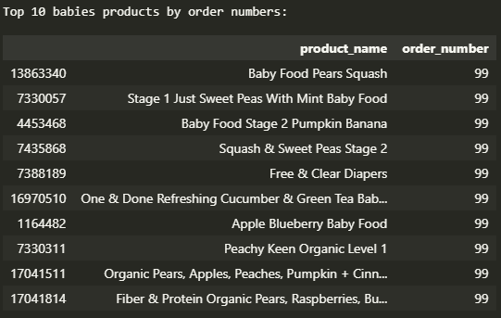 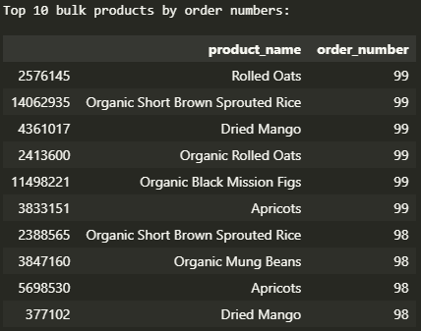 The highest average order numbers, besides the missing department, are for the babies and bulk departments, while the lowest average order number is for the alcohol department.

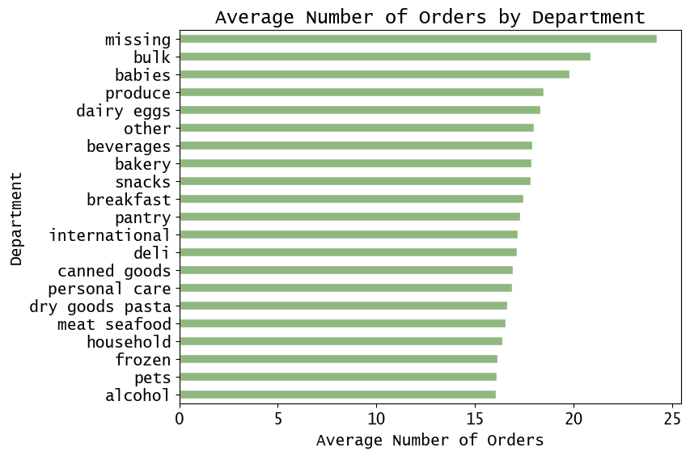

Question 5: | The marketing and sales teams are particularly interested in the different types of customers in their system and how their ordering behaviors differ. For example: - What’s the distribution among users in regards to their brand loyalty (i.e., how often do they return to Instacart)?

 | We have a loyalty system with three tiers: new, regular, and loyal customers, based on the number of orders placed. Regular and loyal customers make up a large portion of the customer base, with over 24 million customers combined. The number of new customers is relatively small, with just over 5 million customers.

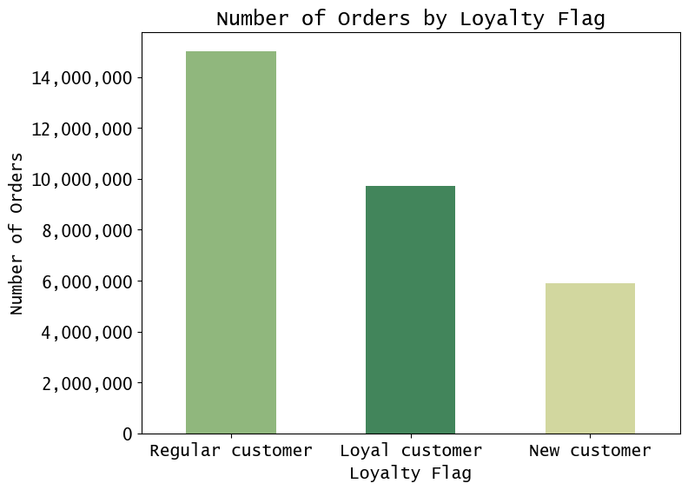

Question 6: | Are there differences in ordering habits based on a customer’s loyalty status?

 | Loyal customers prefer to order midweek (Tues, Wed, Thur), while new customers order more on weekends. Regular customers also prefer weekends and avoid ordering on Wednesdays and Thursdays. Loyal customers place orders in the morning (6-9am) and late evening (9-10pm), while new customers order in the early morning (1-3am) and regular customers order late at night (11pm-3am) or in the afternoon (5-6pm).

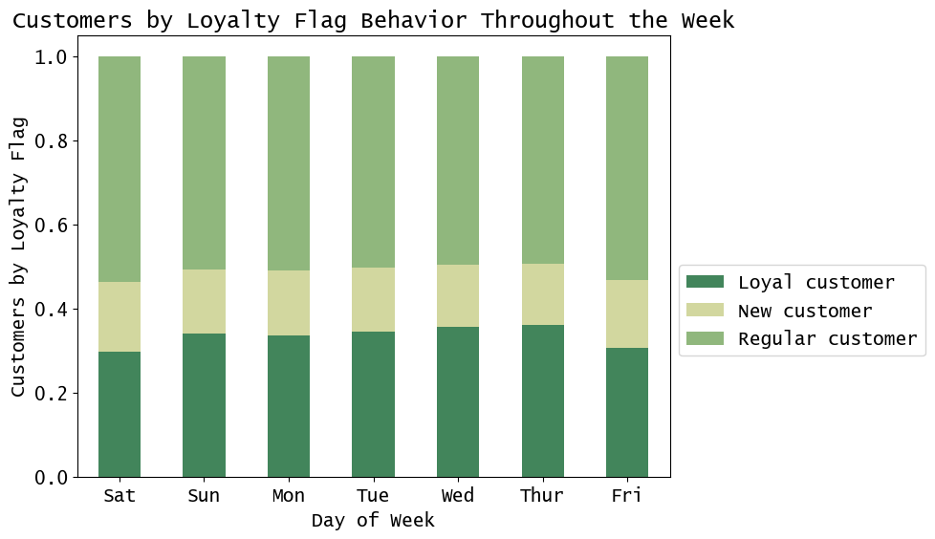
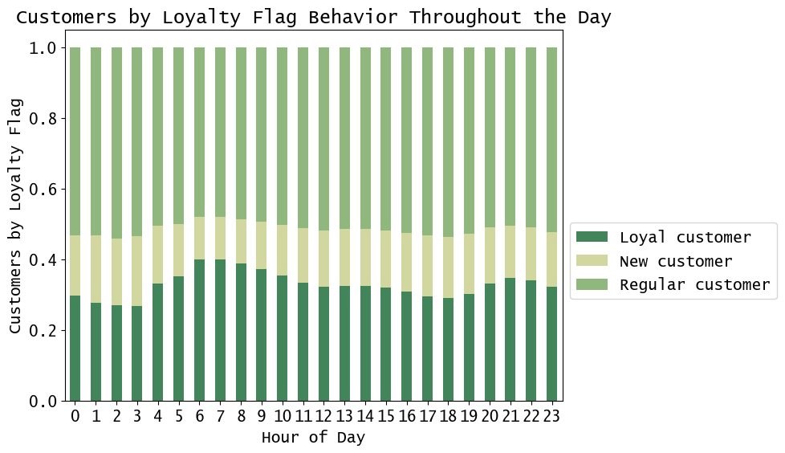

Question 7: | Is there a connection between age and family status in terms of ordering habits?

 | Customers living with family tend to be in their 20s and place orders throughout the day, while divorced/widowed customers are typically seniors in their 60s to 80s and prefer to order between midnight to 3 pm. The majority of the customer base is married, representing all age groups, tend to place their orders from 10am to around 5pm. Conversely, single customers, mostly young or middle-aged, do not follow a consistent ordering pattern throughout the day.

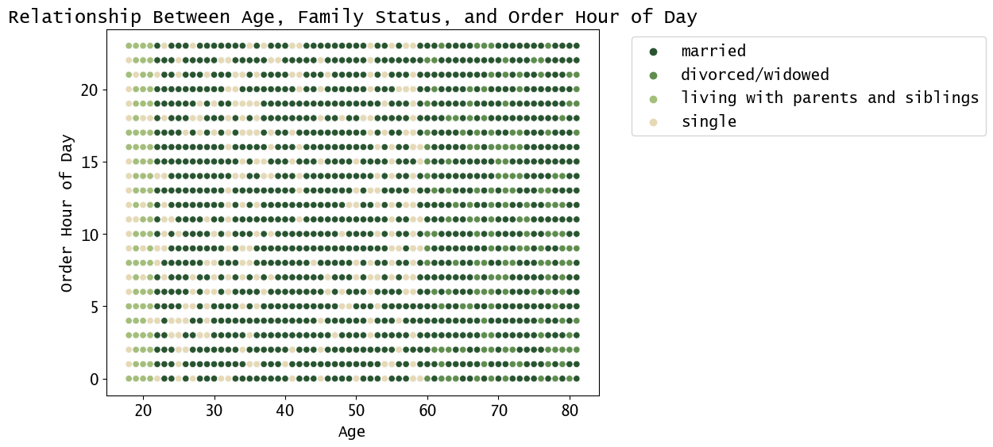

Question 8: | What different classifications does the demographic information suggest? What differences can you find in ordering habits of different customer profiles?

 | Classifications were made by categorizing customers by their age, location, family status, income and shopping preferences.

7. Recommendations
 |  | Title page

Recommendations

In this tab you should include any recommendations you would made to Instcart in terms of their marketing strategy based on the questions posed in the brief. Every key question has been covered in the Tasks of the Exercises - here you need to add an item - a visualisation or table/crosstable that is showing the answer in the data, acompanied by a comment from you. Please, list the questions below and add the answer underneath.

Question | Answer
Key Question 1 | Based on the analysis, it was found that the busiest days of the week are Saturday, Sunday, and Friday, in that order. Regarding the hourly sales pattern, the histogram reveals that sales start to increase from 7am and peak at 10am before declining from 5pm onwards. Consequently, the busiest hours of the day are between 9am and 4pm. Recommendations: Based on the analysis, the best time for an ad campaign to stimulate sales on days and hours when there are fewer orders should be placed on weekdays from Monday to Thursday, between 7pm to 7am.

Key Question 2 | Customers tend to spend the most money from midnight onwards till 3-4am, indicating the customers usually make spontaneous big purchases during these hours. Recommendations: We recommend that Instacart focus their advertising efforts during these early morning hours from 12am to 4am.
Key Question 3 | We categorized products into three price ranges: low, mid, and high. Low-range products cost $5 or less, mid-range products cost between $5 and $15, and high-range products cost more than $15. Most products (67.4%) fall into the mid-range category, with the bulk department having the most. Low-range products are the second most common (over 30%), with the snack department having the most. High-range products account for a small fraction (1.3%), mostly found in meat and seafood, and fewer in dairy, eggs, and pantry. Recommendations: A recommendation based on these insights would be to adjust the pricing strategy for certain products or departments based on the objective. For example, if the goal is to increase revenue, Instacart could focus on promoting and selling more high-range products, or alternatively, we could lower prices on low-range products to increase sales volume. The information on which departments have the most products in each price range can also be useful for further decisions on inventory management or product placement.
Key Question 4 | The highest average order numbers, besides the missing department, are for the babies and bulk departments, while the lowest average order number is for the alcohol department. Recommendations: Instacart should promote products from the babies and bulk departments to increase sales, at the same time, efforts to improve offerings in departments with lower order numbers should be made to attract more customers.
Key Question 5 | We have created a loyalty classification system that categorizes customers based on their level of loyalty to the store. The system includes three loyalty tiers: new customers, regular customers, and loyal customers. A new customer is defined as someone who has placed fewer than 10 orders, a regular customer is someone who has placed more than 10 but less than 40 orders, and a loyal customer is someone who has placed more than 40 orders. Based on our analysis, we can conclude that the current customer base of Instacart is robust, with a significant number of regular and loyal customers. Together, these two customer segments account for over 24 million customers, while the number of new customers is relatively small, with just over 5 million customers. Recommendations: To maintain its strong customer base, Instacart should focus on retaining its regular and loyal customers with long-term customer discounts or privileges. In addition, the company should attract new customers by employing targeted marketing campaigns, promotions or discounts or provide exceptional customer service to create a positive experience that encourages them to return.
Key Question 6 | The data shows loyal customers tend to order more in the middle of the week (Tuesday, Wednesday, and Thursday), while new customers tend to order more on weekends than weekdays. Regular customers, similarly, prefer to order on the weekend, and Wednesday and Thursday are the least busy days for these customers. In addition, the chart shows that loyal customers tend to place orders during the morning hours between 6 and 9 am, possibly before starting their day, and another spike in orders from loyal customers occurs late in the day between 9 and 10 pm. In contrast, new customers tend to place orders during the early morning hours from 1 to 3 am, while regular customers prefer to place orders during the late-night hours from 11 pm to 3 am, as well as during the afternoon from 5 to 6 pm. Recommendations: Based on the data, the marketing campaign should target loyal customers during midweek mornings (6-9am) and late evenings (9-10pm), as these are the times when they tend to place the most orders. For new customers, the campaign should be targeted towards weekends and early mornings (1-3am), while for regular customers, the focus should be on weekends and late-night hours (11pm-3am) or afternoon (5-6pm). The campaign should avoid targeting on Wednesdays and Thursdays, as these are the least busy days for all customer segments. The marketing campaign could include strategies such as early-morning delivery options or promotions for loyal customers who place orders at specific times. We should also consider offering promotions and discounts to encourage new customers to order more on weekdays, potentially increasing their loyalty and converting them into regular customers.
Key Question 7 | Customers living with family tend to be in their 20s and place orders throughout the day, while divorced/widowed customers are typically seniors in their 60s to 80s and prefer to order between midnight to 3 pm. The majority of the customer base is married, representing all age groups, and tend to place their orders from 10am to around 5pm. Conversely, single customers, mostly young or middle-aged, do not follow a consistent ordering pattern throughout the day. Recommendations: Based on the data, Instacart can consider implementing the following marketing strategies: For customers living with family: Instacart could offer family-oriented promotions or discounts, such as "Family Meal Bundles" or "Family-Size Snacks," to encourage more frequent orders throughout the day. For divorced/widowed customers: Instacart could offer special deals during the late-night hours, such as "Midnight Snack Deals" or "Early Bird Breakfast," to entice these customers to place more orders during their preferred time frame. For married customers: Instacart could focus on promoting convenience during peak ordering times, highlighting features like fast delivery and in-app substitutions to make the ordering process more efficient. For single customers: Instacart could experiment with targeted promotions for specific product categories, like healthy snacks or quick meals, to appeal to the busy, on-the-go lifestyle of many single customers.
Key Question 8 | The majority of Instacart's customers are senior citizens, middle-aged adults, or young adults with upper-middle or high-income, and most of them are married with children and prioritize health-consciousness, family, and convenience shopping. However, customers who are alcohol drinkers, pet owners, and meat-eaters comprise a small percentage of the total customer base. The southern region of the United States has the highest concentration of customers. The 'produce' department is the most popular department among customers, with the highest frequency of purchases across all categories of age bracket, income bracket, family type, and health-conscious shopping behavior. The data also shows that customers who purchase from the 'dairy eggs' department tend to be at a higher income bracket, while customers who purchase from the 'babies' department are usually at a lower income bracket. Customers who are 'married with children' tend to purchase more from the 'beverages' and 'pantry' departments compared to other family types, while health-conscious shoppers tend to purchase more from the 'beverages' department compared to non-health-conscious shoppers. Recommendations: To better cater to the high-income customers in the South, Instacart could offer premium products and services in that region. To encourage customers to adopt health-conscious shopping behaviors, Instacart can offer discounts on organic and healthy food products or provide special deals for bulk purchases. Instacart could also focus on promoting products and services that cater to family-oriented and convenience shoppers, such as ready-to-eat meals, household essentials, and fast delivery options. Instacart should consider tailoring its marketing strategies to better cater to the needs and preferences of its customer base. For instance, it could target high-income customers in the 'dairy eggs' department by offering premium products or personalized services. Overall, the insights gleaned from

